Sheet1


PES/AMR/003/08/23 |  |  |  |  |  |  |  |  | 2023-08-17

Attn: Mr. Taha Ghaznevi
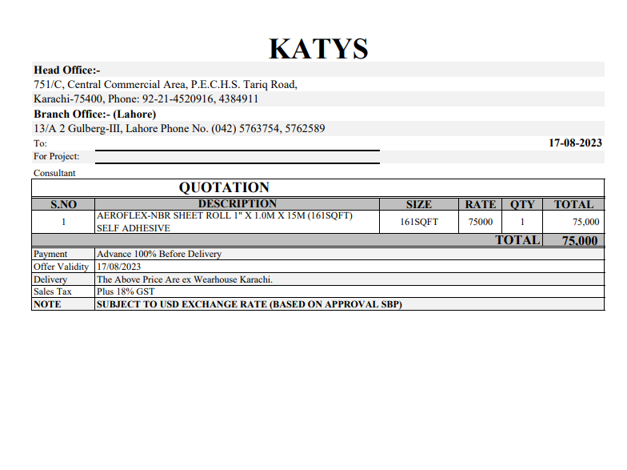
Variation order for G.I Duct Pieces - Amreli Office DMC Karachi

S. # | Description | Material Rate | Labour Rate | Wastage 10% | Over Head profit 20% | Tax 7.5% | Unit | Qty | Amount
1 | G. I. Z-PIECE WORK (SMOKE)
i | G.I Z Piece (10 x 16) | 430 | 80 | - | 102 | 46 | Sqft | 77.566666667 | 51,031
ii | G.I Z Piece (20 x 06) | 430 | 80 | - | 102 | 46 | Sqft | 11.526666667 | 7,583
iii | G.I Z Piece (06 x 08) | 430 | 80 | - | 102 | 46 | Sqft | 16.706666667 | 10,991
2 | G.I. Z-PIECE SOUND LINER WORK (SMOKE) |  |  | - | - | - |  |  | -
i | G.I Z Piece Sound Liner (10 x 16) | 466 | 70 | 47 | 117 | 52 | Sqft | 77.566666667 | 58,296 | 465.83850932
ii | G.I Z Piece Sound Liner (10 x 16) | 466 | 70 | 47 | 117 | 52 | Sqft | 11.526666667 | 8,663
iii | G.I Z Piece Sound Liner (10 x 16) | 466 | 70 | 47 | 117 | 52 | Sqft | 16.706666667 | 12,556
3 | Supply and installation of G.I Z-Piece Wire mesh | 20,000 | 5,000 | 2,000 | 5,400 | 2,430 | Lot | 1 | 34,830
4 | Supply and installation of Alumunium Tapes 3" | 15,000 | 2,500 | - | 3,500 | 1,575 | Job | 1 | 22,575
5 | Supply and installation of Cementex | 10,000 | 3,000 | - | 2,600 | 1,170 | Job | 1 | 16,770
6 | Supply and installation of hangers & supports | 50,000 | 25,000 | - | 15,000 | 6,750 | Job | 1 | 96,750
Total Amount Rs. |  |  |  |  |  |  |  |  | 320,045

Thanking you,

For PIONEER ENGINEERING SERVICES.

Bilal Habib

